FT-PT Status
Fall Enrollment History by Enrollment Status (full or part time)

 |  | Fall 15 | Fall 16 | Fall 17 | Fall 18 | Fall 19 | Fall 20 | Fall 21 | Fall 22 | Fall 23 | Fall 24 | Fall 2025 | Total
 | Fulltime | 422 | 523 | 504 | 374 | 322 | 269 | 273 | 269 | 249 | 257 | 268 | 3730
 | Parttime | 1509 | 1267 | 1448 | 1417 | 1599 | 934 | 1088 | 1404 | 922 | 1174 | 1259 | 14021
 |  | 1931 | 1790 | 1952 | 1791 | 1921 | 1203 | 1361 | 1673 | 1171 | 1431 | 1527 | 14793

Fall Enrollment 2015-2025: Full time and Part time Headcount

19-Mar-26 | (retrieved from IPEDS)

Gender-FT-PT
Enrollment History by Enrollment Status (full or part time) and Gender

 | Gender |  | Fall 15 | Fall 16 | Fall17 | Fall 18 | Fall 19 | Fall 20 | Fall 21 | Fall 22 | Fall 23 | Fall 2024 | Fall 2025 | Total
 | Female | Fulltime | 290 | 339 | 325 | 257 | 215 | 192 | 186 | 183 | 174 | 159 | 174 | 2494
 |  | Parttime | 912 | 767 | 860 | 858 | 976 | 650 | 736 | 890 | 558 | 718 | 689 | 8614
 | Male | Fulltime | 132 | 184 | 179 | 117 | 107 | 77 | 87 | 86 | 75 | 98 | 94 | 1236
 |  | Parttime | 597 | 500 | 588 | 559 | 623 | 284 | 352 | 514 | 364 | 456 | 570 | 5407
 |  | Total | 1931 | 1790 | 1952 | 1791 | 1921 | 1203 | 1361 | 1673 | 1171 | 1431 | 1527 | 17751

Fall Enrollment 2015-2025: Gender by Full time or Part time Status

15-Aug-25 | (retrieved from IPEDS)

Ethnicity
Fall Enrollment History: Student Ethnicity

 |  |  | Fall 15 | Fall 16 | Fall 17 | Fall 18 | Fall 19 | Fall 20 | Fall 21 | Fall 22 | Fall 23 | Fall 24 | Fall 2025 | Total
 | Ethnicity
 |  | 0-Other | 0 | 0 | 0 | 0 | 0 | 0 | 0 | 0 | 0 | 0 | 0 | 0
 |  | 1-White | 738 | 630 | 694 | 621 | 544 | 371 | 367 | 450 | 342 | 404 | 381 | 5542
 |  | 2-Black or African American | 29 | 25 | 26 | 34 | 32 | 16 | 16 | 21 | 14 | 19 | 20 | 252
 |  | 3-Hispanic | 1011 | 915 | 1055 | 1002 | 1042 | 690 | 800 | 989 | 672 | 810 | 867 | 9853
 |  | 4-Asian | 14 | 16 | 18 | 14 | 20 | 18 | 14 | 21 | 13 | 23 | 20 | 191
 |  | 5-American Indian | 17 | 17 | 25 | 15 | 17 | 11 | 14 | 24 | 11 | 9 | 16 | 176
 |  | 6-Non-resident alien | 20 | 25 | 37 | 43 | 39 | 31 | 24 | 25 | 6 | 28 | 38 | 316
 |  | 7-Native Hawaiian/Pacific | 3 | 0 | 1 | 0 | 1 | 0 | 1 | 3 | 3 | 2 | 0 | 14
 |  | 8-Two or More Races | 23 | 25 | 22 | 22 | 21 | 23 | 21 | 36 | 19 | 0 | 0 | 212
 |  | 9-No Response/Unknown | 76 | 137 | 74 | 40 | 205 | 43 | 104 | 104 | 91 | 136 | 185 | 874
 | Total |  | 1931 | 1790 | 1952 | 1791 | 1921 | 1203 | 1361 | 1673 | 1171 | 1431 | 1527 | 13622

 |  |  | Fall 15 | Fall 16 | Fall 17 | Fall 18 | Fall 19 | Fall 20 | Fall 21 | Fall 22 | Fall 23 | Fall 24 | Fall 2025
 |  | White | 738 | 630 | 694 | 621 | 544 | 371 | 367 | 450 | 342 | 404 | 381
 |  | Hispanic | 1011 | 915 | 1055 | 1002 | 1042 | 690 | 800 | 989 | 672 | 810 | 867
 |  | Other Races | 182 | 245 | 203 | 168 | 335 | 142 | 194 | 234 | 157 | 217 | 279

Fall Enrollment 2015-2025: Student Ethnicity

19-Mar-26 | (retrieved from IPEDS)

Gender
Fall Enrollment History: Student Gender

 |  |  | Fall 15 | Fall 16 | Fall 17 | Fall 18 | Fall 19 | Fall 20 | Fall 21 | Fall 22 | Fall 23 | Fall 24 | Fall 2025 | Total
 | Gender | Female | 1202 | 1106 | 1185 | 1115 | 1191 | 842 | 922 | 1073 | 732 | 877 | 863 | 11108
 |  | Male | 729 | 684 | 767 | 676 | 730 | 361 | 439 | 600 | 439 | 554 | 664 | 6643
 | Total |  | 1931 | 1790 | 1952 | 1791 | 1921 | 1203 | 1361 | 1673 | 1171 | 1431 | 1527 | 13622

Fall Enrollment 2015-2025: Male and Female Headcount

19-Mar-26 | (retrieved from IPEDS)

Loan Status
Fall Enrollment History: Students with Federal Loans

 |  | Fall 15 | Fall 16 | Fall 17 | Fall 18 | Fall 19 | Fall 20 | Fall 21 | Fall 22 | Fall 23 | Fall 2024 | Total
 | No Loan | 1701 | 1610 | 1785 | 1620 | 1761 | 1120 | 1340 | 1751 | 1151 | 1413 | 10937
 | Loan | 230 | 180 | 167 | 171 | 160 | 83 | 21 | 20 | 20 | 18 | 1012
 | % of Loan | 13.5% | 11.2% | 9.4% | 10.6% | 9.1% | 7.4% | 1.6% | 1.1% | 1.7% | 1.3% | 9.3%
 |  | 1931 | 1790 | 1952 | 1791 | 1921 | 1203 | 1361 | 1771 | 1171 | 1431 | 11949

Fall Enrollment 2015-2024: Loan Status and % of Loan Enrollment

20-Mar-26 | (retrieved from IPEDS)

Pell Status
Fall Enrollment History: Students with Pell Funding

 |  | Fall 15 | Fall 16 | Fall 17 | Fall 18 | Fall 19 | Fall 20 | Fall 21 | Fall 22 | Fall 23 | Fall 2024 | Total
 | No Pell | 1486 | 1334 | 1527 | 1369 | 1520 | 892 | 1186 | 1580 | 1033 | 1240 | 9314
 | Pell | 445 | 456 | 425 | 422 | 401 | 311 | 175 | 191 | 138 | 191 | 2635
 | % of Pell | 29.9% | 34.2% | 27.8% | 30.8% | 26.4% | 34.9% | 14.8% | 12.1% | 13.4% | 15.4% | 28.3%
 |  | 1931 | 1790 | 1952 | 1791 | 1921 | 1203 | 1361 | 1771 | 1171 | 1431 | 11949

Fall Enrollment 2015-2024: Pell Status and % of Pell Enrollment

20-Mar-26 | (retrieved from IPEDS)

Age Distribution
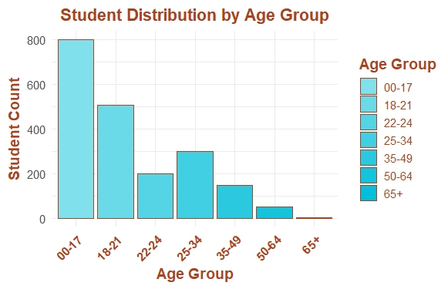
Change in Age Distribution 2015 and 2025

NMSU HED FILE LACKS DATA FOR CENSUS IDENTIFICATION

 |  | Descriptive Statistics for Student Age (Fall 2015)
 | Minimum | 13
 | Maximum | 75
 | Mean | 22.3
 | Std. Deviation | 9.28
 | Total | 2009

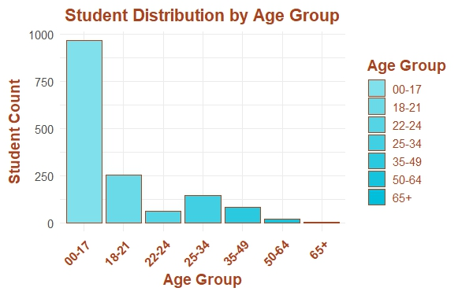
 |  | Descriptive Statistics for Student Age (Fall 2025)
 | Minimum | 13
 | Maximum | 66
 | Mean | 19.8
 | Std. Deviation | 8.04
 | Total | 1527

IPEDS Fall 2025 Census data

